States
 | Column Labels
 | AL | AR | AZ | Brazil | CA | CO | CT | DC | DE | FL | GA | HI | IA | IL | IN | KS | KY | LA | MA | MD | ME | MI | MN | MO | MS | MT | NC | NE | NH | NJ | NM | NV | NY | OH | OK | OR | PA | Quebec | RI | SC | SD | Spain | Thailand | TN | TX | UT | VA | VT | WA | WI | WV | (blank) | Madrid | FL | Grand Total
Count of Hospital State | 3 | 2 | 8 | 1 | 94 | 9 | 10 | 2 | 1 | 12 | 6 | 7 | 3 | 13 | 4 | 10 | 3 | 7 | 7 | 9 | 5 | 10 | 3 | 5 | 2 | 1 | 15 | 3 | 5 | 16 | 3 | 6 | 69 | 35 | 1 | 5 | 15 | 2 | 2 | 6 | 2 | 16 | 2 | 5 | 15 | 2 | 3 | 6 | 3 | 17 | 3 |  | 1 | 1 | 496

 | AK | AL | AR | AZ | Brazil | CA | CO | CT | DC | DE | FL | GA
Total | 1 | 2 | 2 | 3 | 1 | 48 | 6 | 4 | 1 | 1 | 7 | 4

 |  |  |  |  |  |  |  |  |  |  |  |  |  |  |  |  |  |  |  |  |  |  |  |  |  |  |  |  |  |  |  |  |  |  |  |  |  |  | 47 states
 |  |  |  |  |  |  |  |  |  |  |  |  |  |  |  |  |  |  |  |  |  |  |  |  |  |  |  |  |  |  |  |  |  |  |  |  |  |  | 5 countries

 |  |  |  |  |  |  |  |  |  |  |  |  |  |  |  |  |  |  |  |  |  |  |  |  |  |  |  |  |  |  |  |  |  |  |  |  |  |  | CA | 94
 |  |  |  |  |  |  |  |  |  |  |  |  |  |  |  |  |  |  |  |  |  |  |  |  |  |  |  |  |  |  |  |  |  |  |  |  |  |  | NY | 69
 |  |  |  |  |  |  |  |  |  |  |  |  |  |  |  |  |  |  |  |  |  |  |  |  |  |  |  |  |  |  |  |  |  |  |  |  |  |  | OH | 35
 |  |  |  |  |  |  |  |  |  |  |  |  |  |  |  |  |  |  |  |  |  |  |  |  |  |  |  |  |  |  |  |  |  |  |  |  |  |  | WI | 17

Health System Count
Row Labels | Count of Health System
AdventHealth | 9
Adventist Health Sys W - Health System | 19
Advocate Aurora Health | 18
Alteon Health | 1
Ascension Health | 11
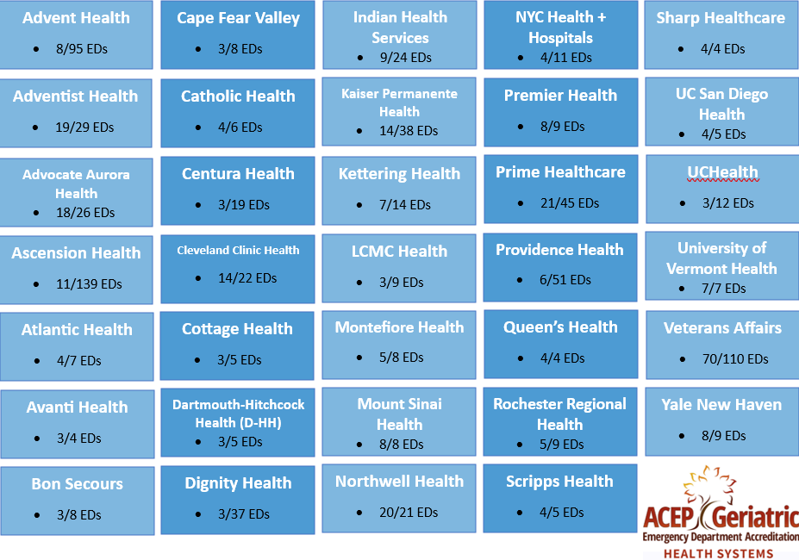
Atlantic Health | 4
Avanti Health | 3
Bangkok Dusit Medical Services (BDMS) | 1
Banner Health | 2
Baystate Health | 1
Beaumont Health | 1
Berkshire Health | 1
Berkshire Health System | 1
BJC HealthCare | 1
BMP | 1
Bon Secours | 3
Bronxcare | 1
Cape Fear Valley Health | 3
Care New England Health | 1
Carle Health | 2
Catalan Health Institute | 1
Catholic Health | 4
Cedars-Sinai Health System | 2
Centre Hospitalier Universitaire de Sherbrooke (CHUS) | 1
Centura Health | 3
Cleveland Clinic Health (CCH) | 14
Cone Health | 2
Cooper Health | 1
Cottage Health | 3
Covenant HealthCare | 2
Dartmouth-Hitchcock Health (D-HH) | 3
Dignity Health | 3
Eisenhower Health | 1
Emory Healthcare | 1
Floyd Medical Center | 2
FMC | 1
GE Health Care | 1
Hackensack Meridian Health | 1
Harrris Health System | 1
HealthPartners | 1
Holy Cross Health | 1
Hospital de la Santa i Sant Pau (Fundacio de Gestio Sanitaria & Catalan Gov't) | 1
Hospital Sirio Libanes | 1
Independent Health Care Organization | 2
Indian Health Service | 9
Inspira Health Network | 2
JCH Medical Group | 1
Jefferson Health | 1
Johns Hopkins Health System | 1
JPS Health | 1
Kaiser Permanente Health | 15
Kaleida Health | 1
Kettering Health | 7
Kuakini Health | 1
Lafayette General Health | 1
LCMC Health | 3
Lehigh Valley Health | 1
LifeBridge Health | 1
Luminis Health | 1
Luthern Health Network | 1
Maine Hospital Association | 1
McKenzie Health | 1
McLaren Health Care | 1
MediSys Health | 2
Memorial Healthcare System | 1
Memorial Hermann Health | 1
MemorialCare | 1
Meritus Health | 1
Methodist Health | 2
MGH | 2
Midland Health | 1
Mon Health | 1
Montefiore Health System | 5
Mount Sinai Health | 8
Multicare Health System | 1
NCH Healthcare System | 1
New York-Presbyterian Healthcare | 1
None | 1
Northern Light Health | 1
Northwell Health | 20
Northwest Health | 1
Northwest Texas Health System | 2
Novant Health | 2
NYC Health + Hospitals | 4
Ohio State Health | 1
Palisades Healthcare | 1
Palomar Health | 2
Penn Medicine | 1
Pennsylvania Health System | 1
Pipeline Health | 1
PMC | 1
Premier Health | 8
Prime Healthcare | 21
Providence Health | 6
Public Health System | 7
Queen's Health | 4
Richmond Health Network | 1
Riverside Health | 1
Riverside University Health System | 1
Rochester Regional Health | 5
Roper St. Francis Healthcare | 1
SBH Health | 1
Scripps Health | 4
Sentara | 1
SGMH Foundation (Gov't) | 1
Sharp HealthCare | 4
South Texas Health System | 2
Southwest Community Healh System | 1
Southwest Michigan Health System | 1
Spectrum Health | 1
St. Joseph Health | 2
St. Joseph's Health | 1
St. Luke's University Health Network | 2
Stanford University Health | 1
STHS | 1
Sturdy Memorial | 1
Sullivan County | 1
Summa Health | 1
SUNY Health | 2
Sutter Health | 2
Tenet Healthcare | 2
The Valley Health System | 1
Thompson Health | 1
Tri-City Healthcare | 1
Trinity Health | 1
UAB | 1
UC Health | 1
UC San Diego Health | 5
UCHealth | 3
UCI Health | 1
UCSF Health | 2
UM SRH | 1
UNC Health | 1
United Health Services | 1
Unity Point Health | 2
Universal Health Services Health System | 1
University of California | 1
University of Maryland Medical System | 3
University of Miami Health System | 1
University of Pennsylvania Health (HUP) | 1
University of Rochester (URMC) | 1
University of Vermont Health Network | 7
UPMC Health | 1
UPMC Mercy | 1
US Army | 1
USACS | 1
Utah Health | 1
Vaidam Health | 1
Valley Health System | 2
Valley Regional Hospital | 1
Veterans Affairs | 70
Waconia City Hospital, Safety Net | 1
Wake Forest Baptist Health | 1
Wellfore Network | 1
Wellspan | 1
West Virginia University Health | 1
Wheaton Franciscan Healthcare | 1
Yale New Haven Health | 8
(blank)
Stony Brook | 1
Allina Health | 1
Milford Health | 1
National Health Service | 1
Lakeland Regional Health | 1
San Antonio Regional Hospital | 1
SERMAS | 5
Servicio Madrileño de Salud | 2
Erie County Medical Center Corporation | 1
Community Health Systems - Health System | 1
Hoag Memorial Presbyterian Hospital | 2
MaineHealth | 1
St Bernard Hospital and Health Care Center | 1
WakeMed | 1
Ballad Health | 1
University of Texas Southwestern Medical Center | 1
Commonspirit | 1
Atrium Health | 1
San Francisco Department of Public Health | 1
Grand Total | 496

